Sheet2
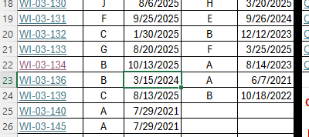
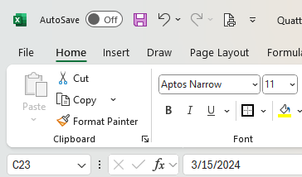
1. Cell is highlighted and dead hyperlink, after running the macro
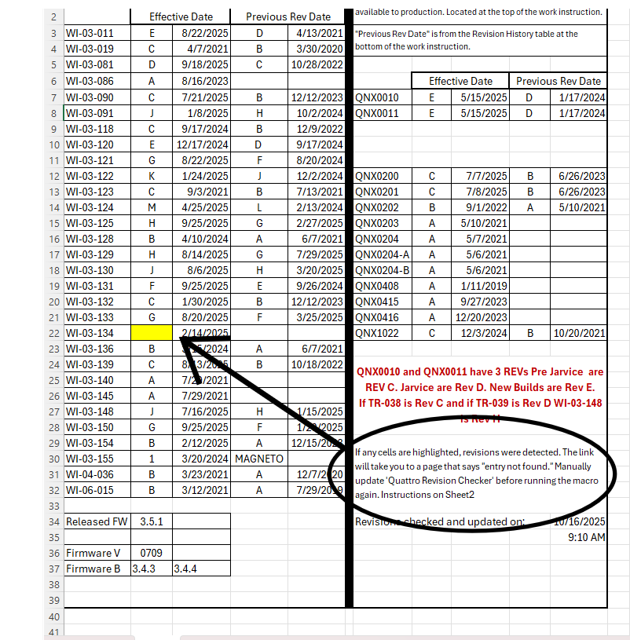

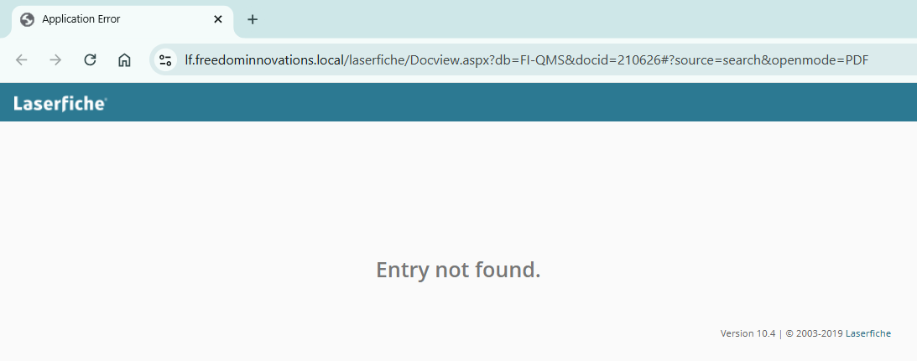

2. Open "Kinnex Revision Checker" worksheet, NOT "Kinnex Revisions" worksheet.

3. Search for the WI or Drawing in Laserfiche and open it.
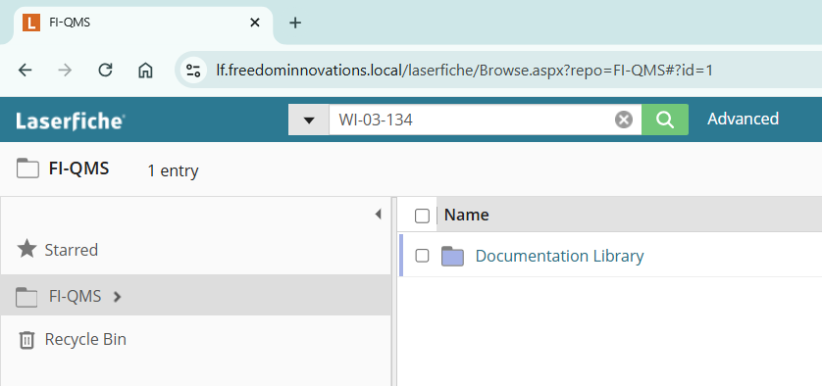
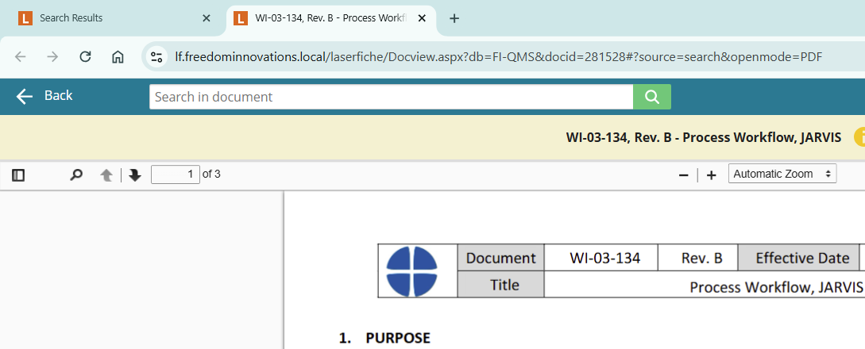

4. Copy the browser link, right click the Excel link and click on "Edit Hyperlink".
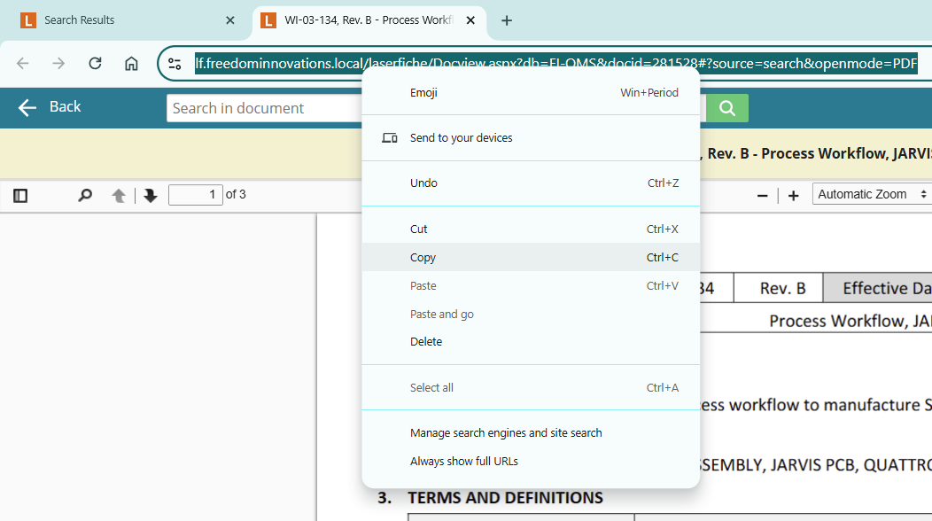
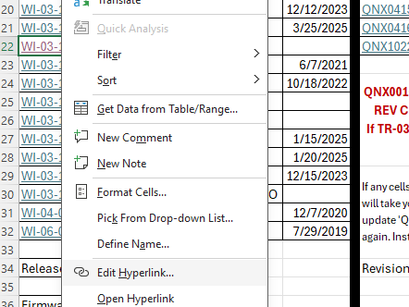

5. Paste the hyperlink into the address bar and click OK
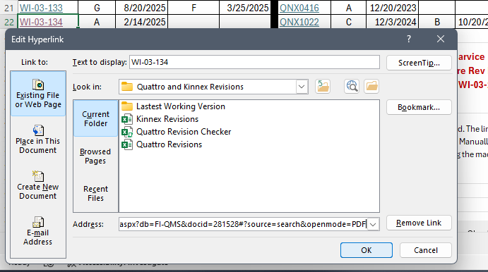

6. Update Revs and dates, then save the worksheet.

